1. Title Page
[Instacart Grocery Basket Analysis]

Project Name: Instacart Grocery Basket Analysis
Date: 25.05.2024
Analyst Name: Gerardo Garcia

Contents:
Population Flow
Consistency checks
Wrangling steps
Column derivations
Visualizations
Recommendations

2. Population Flow
 |  | Title page

Population flow

Exclusion flag
Condition: max_order < 5
Obervations to be removed: 1440295
Final total count of order_products_all: 30964564

Orders_products_combined
Orders_products_merged
Orders_products_all

Total: 32404859
Total: 32434489
Total: 32404859

1.) The grey boxes in the first row of the population flow represent the original data sets as they were when you downloaded them. In the Total fields you need to add the count of the rows when you imported the data set into Jupyter.
2.) The second row of boxes (coloured) represents the data sets after you manipulated them, e.g., removed missing values and duplicates. In the Total fields you need to add the count of the rows after conducting these operations. This offers a visual oveview of how the data flows throughout the data consistency checks.
3.) The third row, where also the arrows are coloured, represents the merges you performed between the datasets. In the Total fields you need to add the count of the rows in the merged datasets, so that you end up with the final dataset (in the red box). Keep in mind the final dataset should be without exclusions (based on the exclusion flag).

Data
Orders shape 49693, 5 | 3421083
Products shape 49672
Departments (transposed) shape 22,1
orders_products_prior 32434489

df_orders_products_merge 32404859, 14

3. Consistency checks
 |  |  |  |  |  |  | Title page
Consistency checks

Change id | Dataset | Column | Missing values | Duplicates | Solution
1 | orders | days_since_prior_order | 206209 |  | This empty value indicates that there were no prior orders before this. Meaning that this is the first order a custgomer made. It should be kept like this. | 3
2 | products | - |  | 5 | Dropped the duplicate rows | 3
3 | products | product_name | 16 |  | Dropped the missing value rows | 3
4 | customers | first_name | 11259 |  | Do nothing. Leave them as nan values. This is not relevant for the analysis. Since the final dataset should not have personal identifiable information, it makes sense to do nothing about these values. The names columns will be deleted. | 3
5 |  |  |  |  |  | 0
6 |  |  |  |  |  | 0
7 |  |  |  |  |  | 0
8 |  |  |  |  |  | 0
9 |  |  |  |  |  | 0
10 |  |  |  |  |  | 0
11 |  |  |  |  |  | 0
 |  |  |  |  |  | 0
 |  |  |  |  |  | 0
 |  |  |  |  |  | 0
 |  |  |  |  |  | 0

4. Wrangling steps
 |  |  |  | Title page
Wrangling steps

Columns dropped | Columns renamed | Columns' type changed | Comment/Reason
ORDERS DATASET
orders: eval_set | orders: order_dow --> order_day_of_the_week | orders: order_id = string
 | orders: order_number -> customer_order_count | orders: user_id = string

_merge (this is autogenerated)

CUSTOMERS DATASET
 | all columns were turned into lowercase | user_id -> string
 | surnam -> last name
 | n_dependants -> number_of_dependants
 | fam_status -> marital_status

departments table was transposed for an easier analysis. "Switched columns for rows"
edited headers to be understandable

5. Column derivations
 |  |  |  | Title page

Column derivations and aggregations

In this tab you should add tables below that the frequences of flags/label variables that you produced after deriving them. NB: don't do this for continuous variables, only for flags.
Dataset | New column | Column/s it was derived from | Conditions
orders_products_merge | busiest_days_new | order day of the week | 3 categories according to the order day of the week: Busiest days (0 or 1), Least busy days (4 or 3), Regularly busy (remaining days)
orders_products_merge | busiest_period_of_day | order_hour_of_day | depending on the hour ranges: Most orders (10-15), Fewest orders ( 0-5), Average orders (remaining hours)
orders_products_merge | max_order | user_id, customer order count | We count how many orders a customer made. This column shows the maxium value of orders a customer made. It is simply the total number of orders a customer has made.
orders_products_merge | loyalty_flag | max_order | This value is different for each customer. Using the values of the max column we have three categories. The "Loyal customer" who has more than 40 orders. The "Regular customer" who has 10 to 40 orders The "New customer" who has less than 10 orders
orders_products_merge | mean_price | user_id, prices | This value is personal for each customer and indicates their average spending. In other words from all the products that they bought, this is the average price of those products.
orders_products_merge | spending_flag | mean_price | Using that average value from the mean_price column, we have 2 categories for customers. "High spender" is a customer that had an average price higher than 10. Low spender is an mean price less than 10.
orders_products_merge | median_prior_days | user_id, days since prior order | For every order a customer made there is a column called days_since_prior_order. For these values, the median was calculated. This value is the median for every customer, so it is always different. Some customers shop weekly others shop every month. This value tries to the median of those values for each customer.
orders_products_merge | frequency_flag | median_prior_days | Using the median prior days we have 3 categories. Frequent customers are those with a less or equal median than 10 days. Non frequent customers have a median higher than 20 days
orders_products_all | income_group | income | Using the income column we have now 3 income groups/ranges: Low income Average income High income
orders_products_all | age_group | age | Using the age column we have 4 age groups/ranges. Young adult Adult Middle age Senior
orders_products_all | customer_profile | income_group, age_group, marital_status, number of dependants | By combining several columns we can achieve different customer profiles: Active Parent: Number of dependants less than 1, Married and Young adult/Adult Family without kids: Number of dependants is 1, married. Budget Shopper: Low spender and low income Young Professional: High Income/average income, young adult and single. Affluent Adult: Average/high income, middle age or senior. No profile: no profile yet .
orders_products_all | region | state | Regions based on the following link: https://simple.wikipedia.org/wiki/List_of_regions_of_the_United_States

6. Visualizations
 |  |  |  | Title page

Visualisations

1.1 Busiest Days |  |  | 2. Hours with most spending
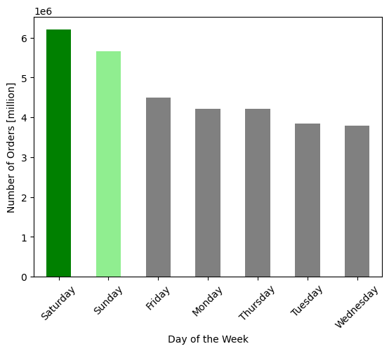
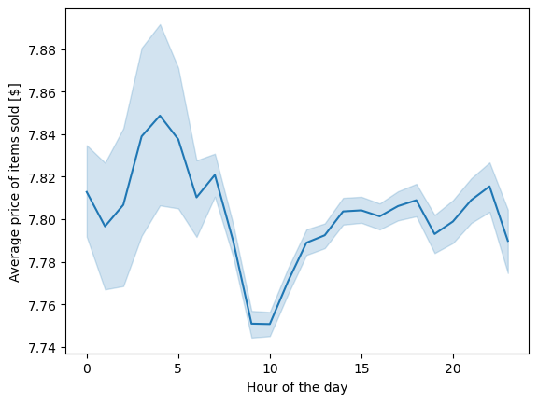

The busiest days are Saturday, Sunday and Friday |  |  | The hours with most spending are between midnight and 6am. Specifically between 3am and 4 am. Spending drops after 6am. At 10am it goes up again.

1.2 Busiest hours |  |  | 3 Distribution of products regarding price category
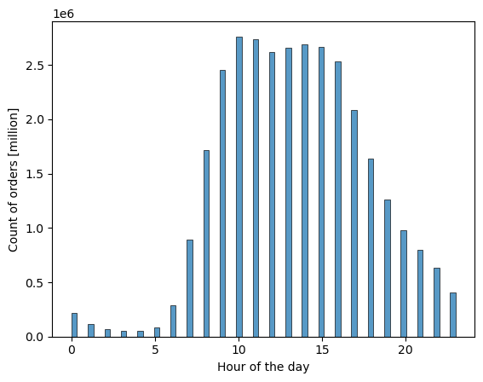
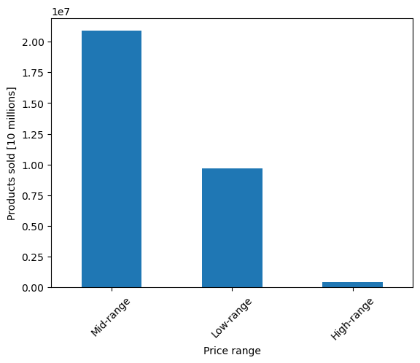

 |  |  |  |  | Price range category | % of total
 |  |  |  |  | Mid-range | 67.47%
 |  |  |  |  | Low-range | 31.24%
 |  |  |  |  | High-range | 1.29%

The busiest hours are between 9am and 16pm |  |  | Most of the products sold are mid-range (67.47%). Followed by low-range prices (31.24%). The smalles share of products sold is the high-range (1.29%)

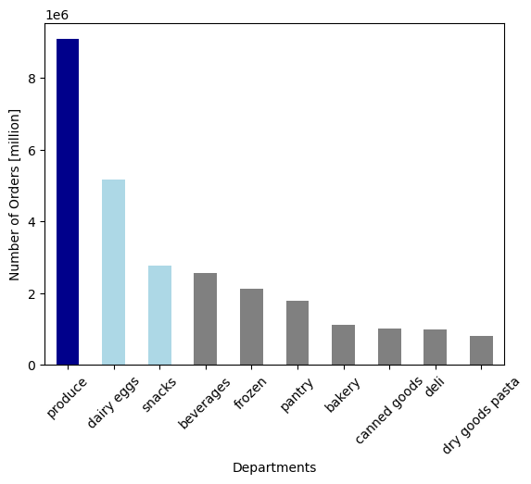

4. Most popular departments | Top 10 Departments |  | 5.2 Income and age correlation
 | Department | % of total
 | produce | 29.32%
 | dairy eggs | 16.72%
 | snacks | 8.93%
 | beverages | 8.31%
 | frozen | 6.85%
 | pantry | 5.76%
 | bakery | 3.62%
 | canned goods | 3.27%
 | deli | 3.24%
 | dry goods pasta | 2.66%

 | Total | 88.68%

The top 10 departments represent 88.68% of all sales. Produce is the highest overall with 29.32% Followed by dairy eggs with 16.72% and snacks with 8.93% For a complete list of all departments see 8. Annex |  |  | The relationship between age and income is not so strong. We can see however some trends. Before 40 years, there seems to be an income threshold. Peopl younger than 40 years are earning less than 400,000 $ However we can notice that after some age threshold the income does change (example: 40 years)
5.1 Customer loyality |  |  | 5.3 Number of dependants and age
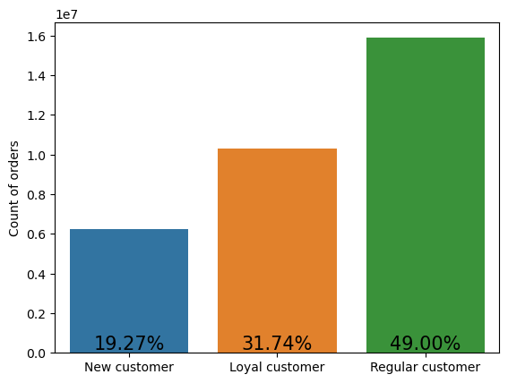
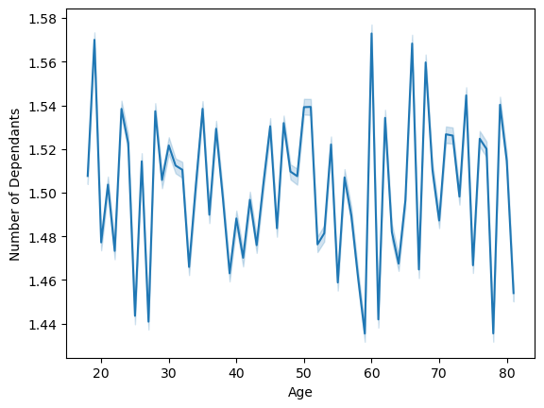

Most of the customers are regular customers which make up 49% of all customers. New customers are the smalles share of customers with 19.27% This information is based on how many orders they have placed since they became a customer |  |  | There is no clear relationship between number of dependants and age

5.4 Customer profiles |  |  | 5.5 Customer spending by region
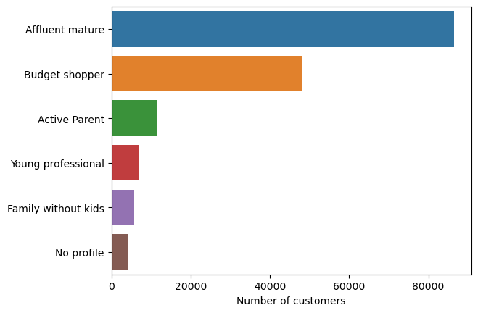
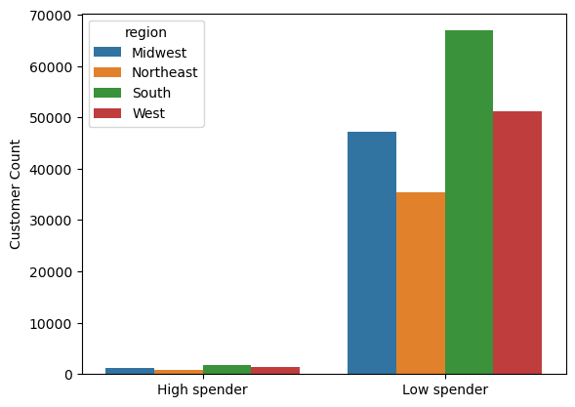
 | Customer profile | % of total
 | Affluent mature | 53.17% |  |  | Customers | % of total
 | Budget shopper | 29.49% |  |  | Low spender | 97.40%
 | Active Parent | 7.07% |  |  | High spender | 2.60%
 | Young professional | 4.27%
 | Family without kids | 3.51%
 | No profile | 2.49% |  |  | Customers by region | % of total
 |  |  |  |  | South | 33.33%
 |  |  |  |  | West | 25.49%
 |  |  |  |  | Midwest | 23.53%
 |  |  |  |  | Northeast | 17.65%

The largest customer share is the "Affluent Mature" with 53.17%. Followed by the "Budget Shopper" with 29.49% The other profiles are very similar in distribution ranging from 2.29% to 7.07% |  |  | This chart compares high spenders and low spenders. It also showcases the distribution of said groups withing regions. In general the low spender customers make up 97.40% of all customers while the high spenders make up only 2.60% of the population. Regardless of their spending, both groups have the same behavior. Most spending occurs in the South and the least spending happens in the Northeast

5.5 Customer profiles by region |  |  | 5.5.2 Customer spending: by region: high spenders
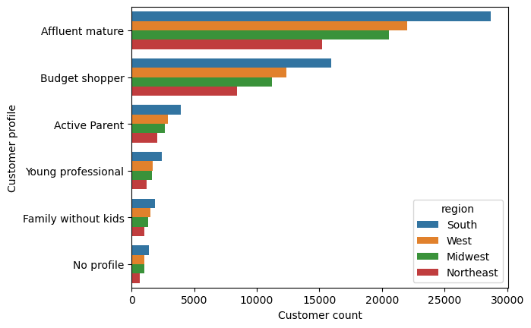
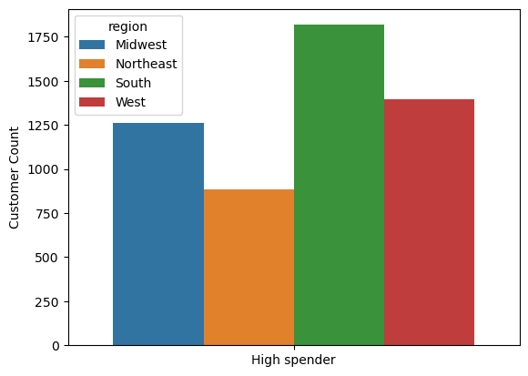

 |  |  | Focusing now on the high spenders, we can see that the amount of customers is again in the following order: 3,4,2,1

7. Recommendations
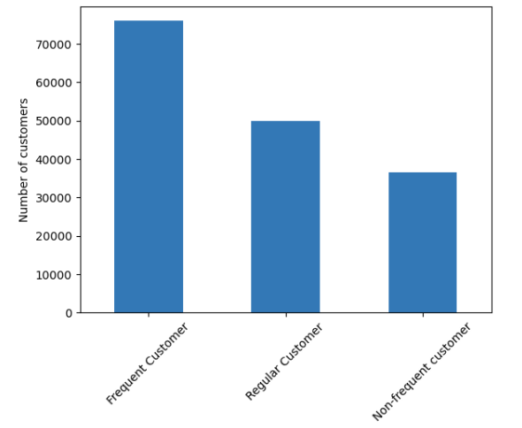
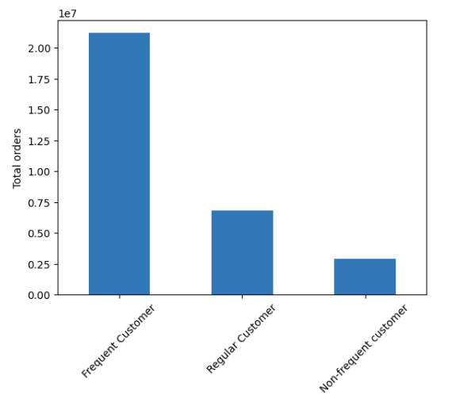
 |  |  |  | Title page

Recommendations

Question | Observations | Recommendations
What are the busiest days of the week and hours of the day? | The busiest days are Saturday, Sunday and Friday. The busiest hours are between 9am and 16pm | Place advertisements at the peak times which are Saturday and Sunday. These advertisements should be between 9am and 16pm.

Are there particular times of the day when people spend the most money? | The hours with most spending are between midnight and 6am. Specifically between 3am and 4 am | Advertise high price items between 0 and 5 am.

What are the price range groupings? | Most of the products sold are mid-range (67.47%). Followed by low-range prices (31.24%). The smalles share of products sold is the high-range (1.29%) | Bundle Mid-range products with low range products or high range products

Price Range
Low <8
Mid >8 & <=15
High 15 >
Are there certain types of products that are more popular than others? Specifically which departments are more popular | The top 3 departments are produce, dairy eggs and snacks in that order. This chart shows the top 10 from 21 categories | Bundle products from product, dairy eggs and snacks with other departments that are not so popular or also with high range price products. If you buy dry goods pasta you will get a discount on the dairy price. Bundled items.

 |  |  | a

What are the different types of customers in the system and how their ordering behaviors differ? | The largest customer share is the "Affluent Mature" with 53.17%. Followed by the "Budget Shopper" with 29.49% The other profiles are very similar in distribution ranging from 2.29% to 7.07% | Find out why are Active parents, young professionals and families without kids not being a large part of the customer population. Maybe the marketing is not reaching them? Since the affluent mature is the customer that most shops, one could consider to partner with another company in another sector that has a similar customer base. Creating cross promotions could bring customers from different sources of the same profile.

Are there differences in ordering habits based on a customer’s loyalty status? | Most of the customers are regular customers which make up 49% of all customers. New customers are the smalles share of customers with 19.27% This information is based on how many orders they have placed since they became a customer | Create incentives so that new customers try to be regular customers and for regular customers to become loyal customers. Discount at the 10th order. Discount at the 20th order.

Are there differences in ordering habits based on a customer’s region? | In general the low spender customers make up 97.40% of all customers while the high spenders make up only 2.60% of the population. Regardless of their region, customers spend more in the south and spend the least in the northeast | Adjust the offer of items and prices to best serve the top 3 demographics and their spending habits. Maybe analyse what products do the other demographics shop and try to lock new customers of smaller demographics. Dive deeper into why is the market share in the northeast so low.

What is the distribution of customer frequency? | When we observer the number of customers the largest share of customers is the frequent customer with 46.69%. Followed by the regular customer with 30.77% The smallest share is the non-frequent customer with 22.54% This difference becomes larger when we observe the percentage of orders placed by each group: The frequent customer will place 68.48% of all orders The refular customer placed 22.17% of all orders Non-frequent customers placed 9.35% of all orders | Create incentives for regular customers and non frequent customers to become frequent customers. Membership or literally giving a small discount if they ordered in less than 10 days from their last order.

Customer distribution according to frequency status |  | Customer order frequency according to frequency status

